Bug Report
Defect Report |  | Defect Report

Release | V.1.0 | Release | V.1.0
Title | The system allows the order to be completed when required order information is missing | Title | The system allows the contact form to be submitted with empty required fields
Description | The system allows the user to complete the order even when the Country, City, Month, and Year fields are left empty. | Description | The Contact Us form can be submitted even when required fields are left empty.
Steps | 1- Open the order form. 2- Enter the name. 3- Enter the country. 4- Enter the city. 5- Enter the credit card. 6- Keep the month empty. 7- Keep the year empty. 8- Click Purchase. | Steps | 1- Click Contact. 2- Keep the contact email empty. 3- Keep the contact Name empty. 4- Enter the message. 5- Click Send Message.
Expected Results | The system should not allow the order to be completed and should display an appropriate validation message for the missing required information. | Expected Results | The system should prevent the message from being submitted and display an appropriate validation message for the missing required information.
Actual Result | The order was completed successfully even though the Month and Year fields were left empty. | Actual Result | The system submitted the contact message and displayed the confirmation message "Thanks for the message!!" even when the required fields were left empty.
Environment | Chrome V.152.0.7977.82 | Environment | Chrome V.152.0.7977.82
Screenshot / Video | 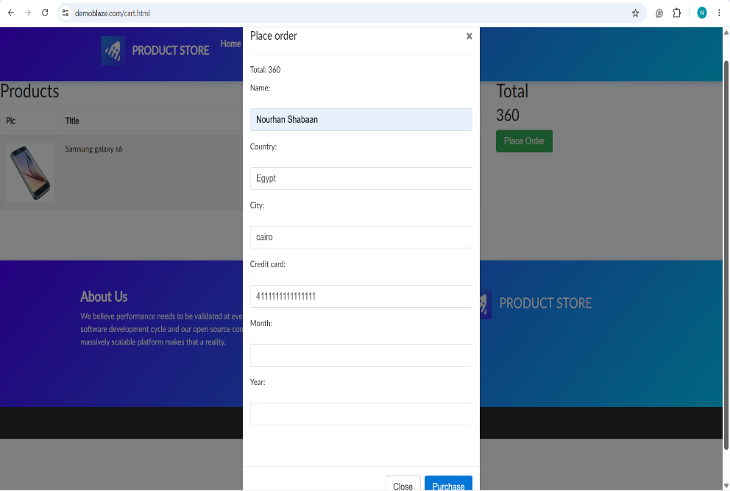 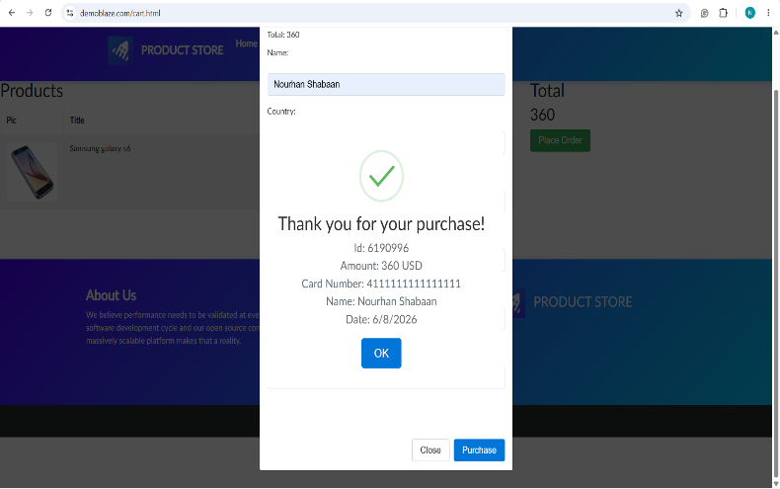 | Screenshot / Video | 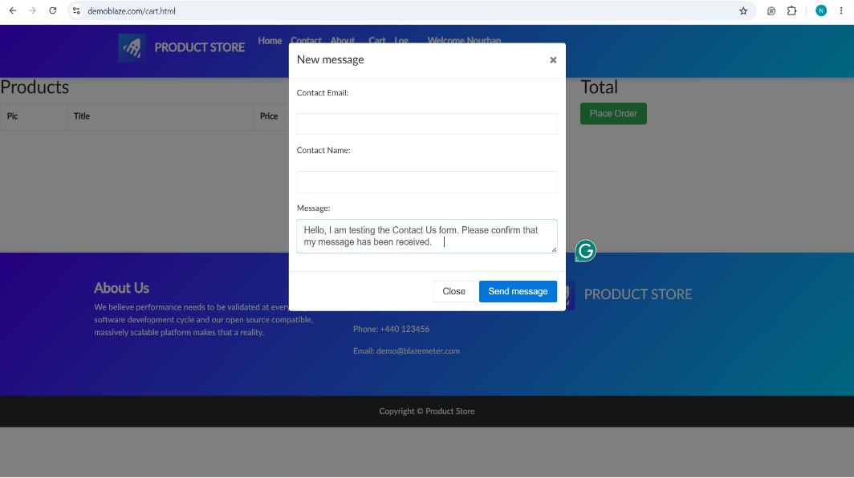 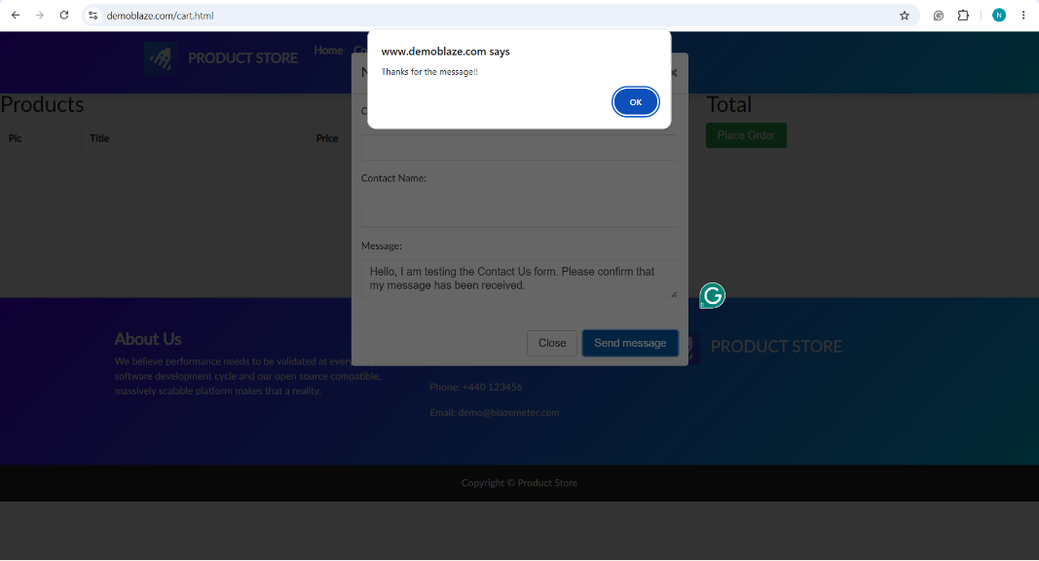
Rate | 2026-05-05 | Rate | 2022-05-05
Priority | High | Priority | High
Status | Open | Status | Open

